Summary
Experimental Setup |  | Final Design Concept
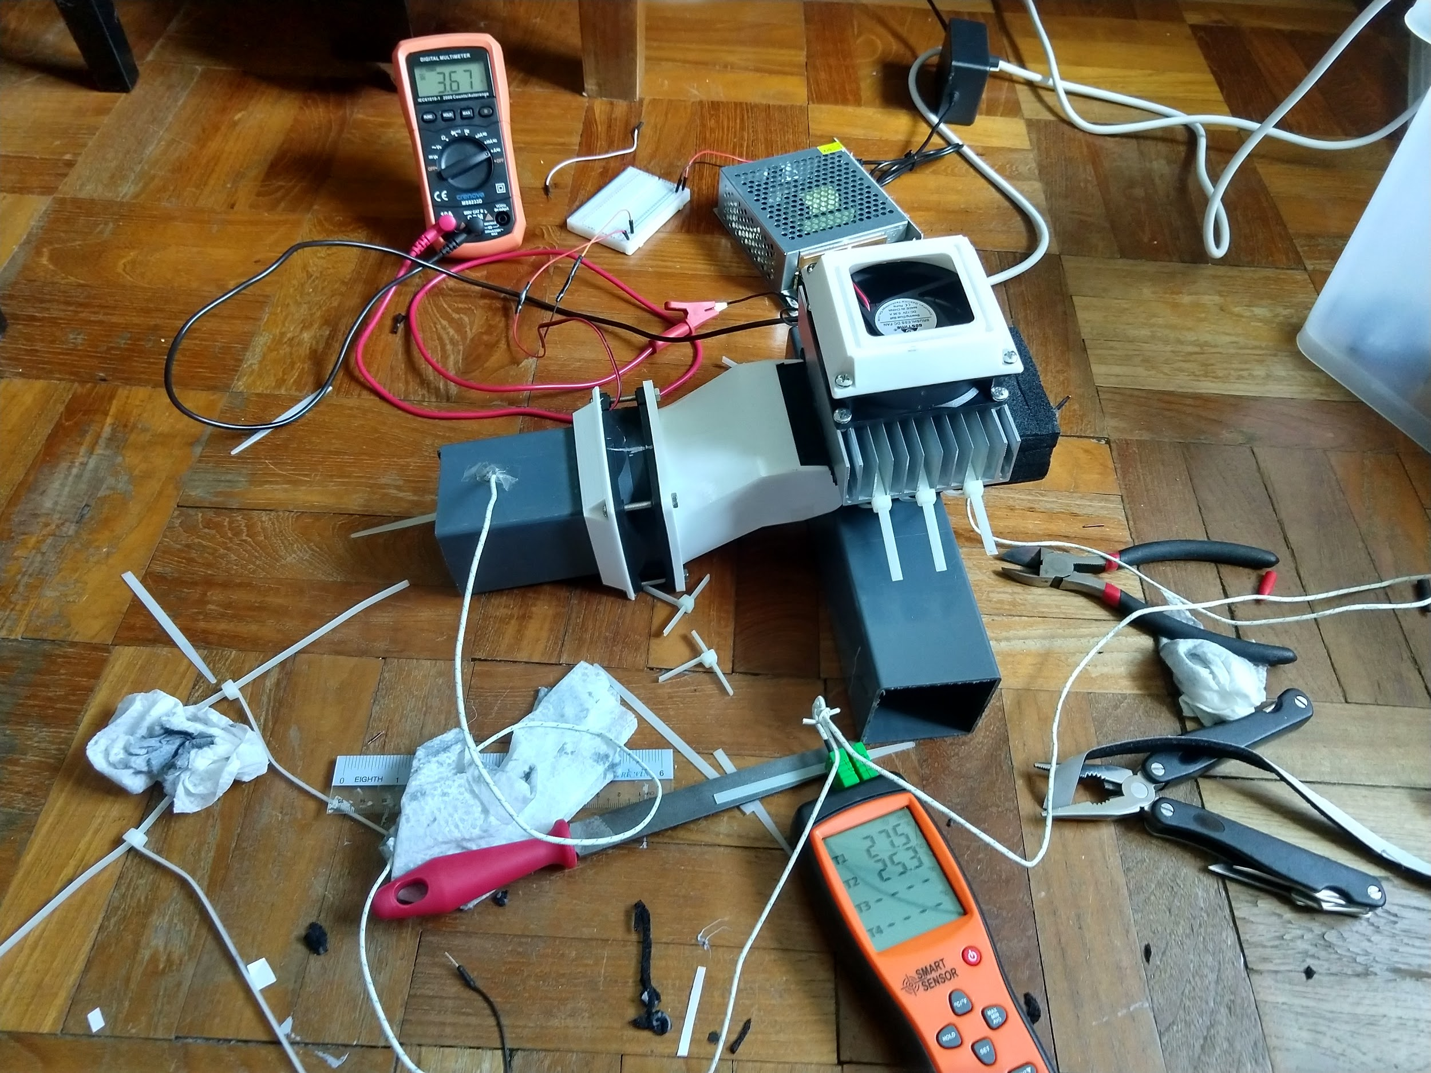
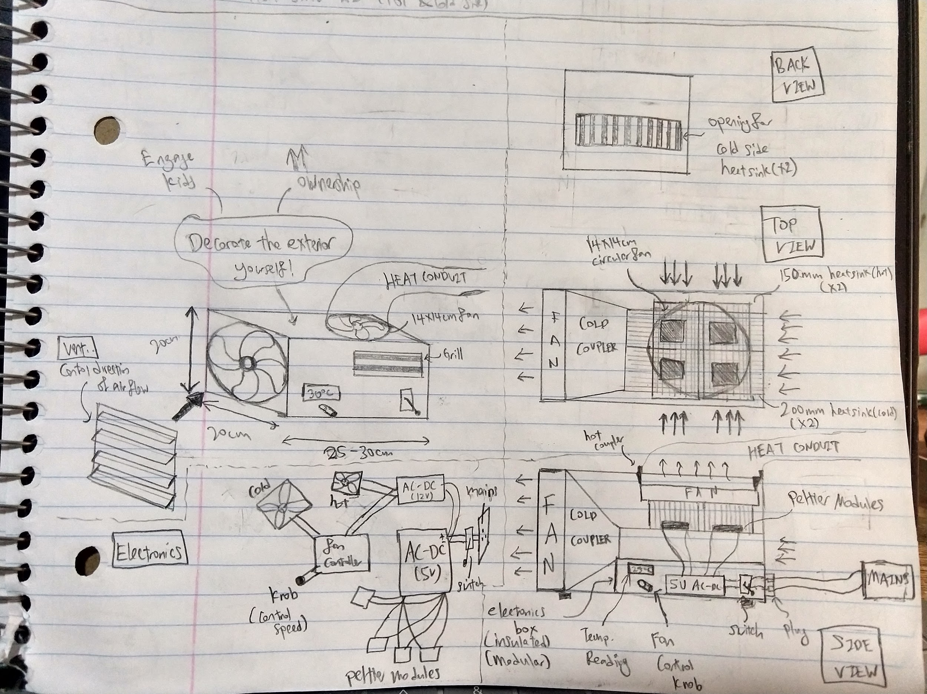

Observations
1 | Based on model. there is less cooling power for same parameters for ambient of 35degC and 30 degC. Hence, testing in 30degC is a underestimation of cooling ability in 35 degC and is permissible
 | 35degC: 57W
 | 30degC: 55.2W

2 | Gets alot warmer on hot side for TEC1-12710. More packaging issues...

3 | If cold air is directed at ceiling fan, then cold air can be circulated with ambient??

Set Up:

Experimental Plan
Testing Plan | Decreasing air temperature | Rationale | Date Completion
1 | Test 150mm fin with 1 TEC1-12706 (once off sanity check) | To observe temp drop | 2020-03-24
2 | Test 150mm fin with 1 TEC1-12710 (once off sanity check) | To observe greater temp drop for same voltage | 2020-03-24
3 | Test 1x TEC1-12710 with different current (optimal current sweep) | Match model with script | 2020-04-03
4 | Test 1x TEC1-12710 with CPU heat sink (optimal current sweep & Time Analysis) | Observe improvement in cooling power due to better heat dissapation on hot side | 2020-04-06
5 | Test 2x TEC1-12710 with 200mm cold fin - lower than with 1x Peltier (optimal current sweep & Time Analysis) | Observe higher COP per Peltier, overall less input power for same cooling power | 2020-04-10

 | Increasing Air velocity (Travel further distance) |  |  | Flat head nozzle | Round Nozzle
1 | Control Experiment - 8x8cm rectangular duct
2 | Circular head nozzle of r=1mm
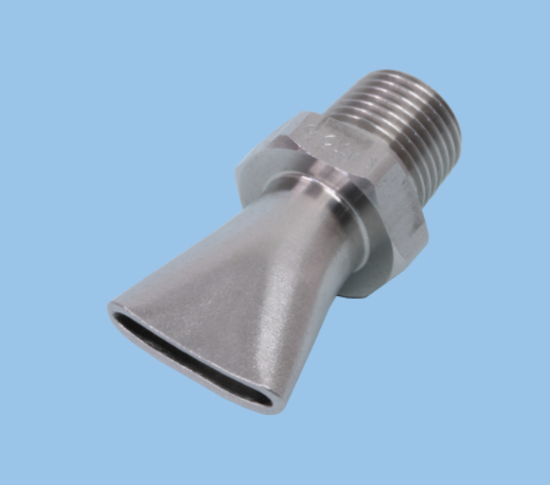
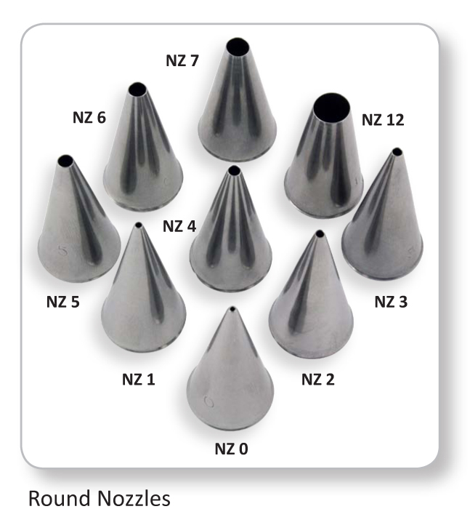
3 | Circular head nozzle of r=1.5mm
4 | rectangular heat nozzle of 1x6cm
5 | curved head nozzle of 1x8cm

 | Once design is finalized...
1 | Design Packaging
2 | Design Circuit

Nozzle Configuration
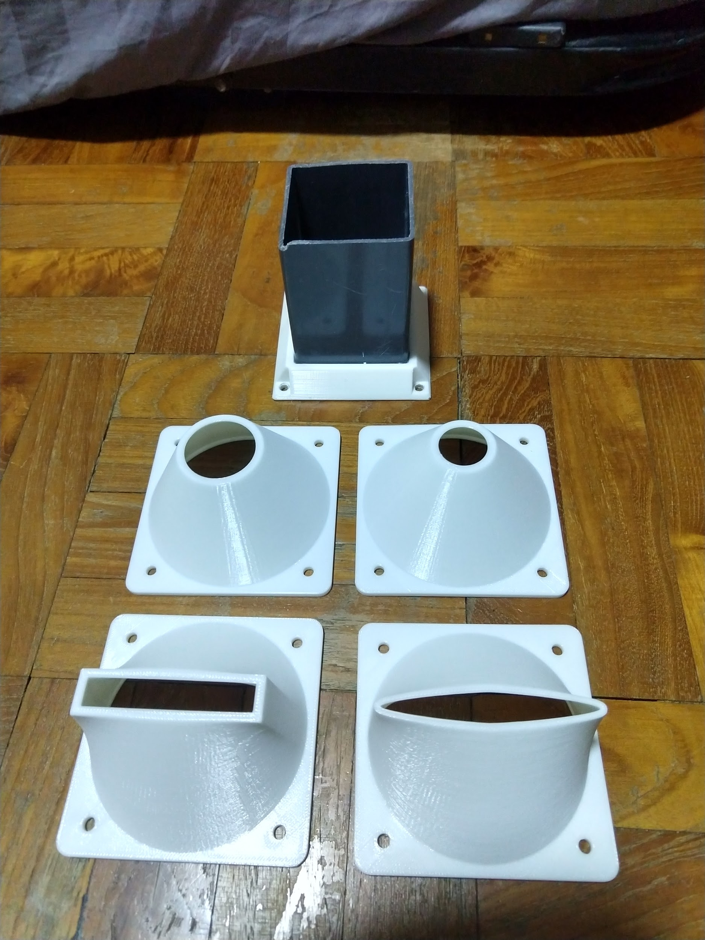
Shape | Dimension | Comment
Smallest Circle | 1cm Radius | Significant backflow, barely feel any wind
Bigger Circle | 1.5cm Radius | Significant backflow, barely feel any wind
Rectangular | 6x1cm | less backflow as circular, uniform wind across rectangle
Curved Spline | 8x1cm | less backflow as circlular, strong wind on edges
Square Profile | 8x8cm | Less backflow as circular, strong overall air flow

*Note: backflow probably inevitable with tapered design

